A
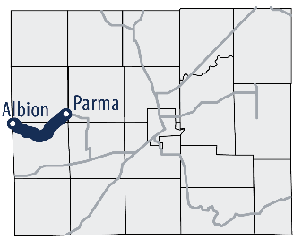
A | Parma to Albion Rail-with-Trail
Preliminary Cost Opinion
Grade existing service road; bridge over river; and crosswalks

Notes:
a | Path on private property (mostly Consumers Energy Property)
c | Total Length | 43,710 | LF | 8.3 | Miles

Item | Description | Quantity | Unit | Unit Price | Cost
1 | 11' Wide Graded Natural Surface Path | 43,216 | LF | $20 | $864,325
2 | Crosswalk Signs and Pavement Markings | 2 | EA | $5,000 | $10,000
3 | RRFB Ped. Crossing w/ Advanced Warning | 2 | EA | $50,000 | $100,000
4 | 14' Wide Concrete Deck Pedestrian Bridge | 145 | LF | $4,000 | $580,000
5 | Basic Site Amenities | 43,710 | LF | $5 | $218,550
 | Subtotal of Construction Costs |  |  |  | $1,772,875
 | Contingency |  |  | 20% | $354,575
 | Construction Total * |  |  |  | $2,127,450

 | Engineering & Design |  |  | 10% | $212,745
 | Construction Administration |  |  | 4% | $85,098
 | Construction Observation |  |  | 6% | $127,647
 | Subtotal of Total Soft Costs |  |  |  | $425,490

 | Total Project Cost * |  |  |  | $2,552,940
 | * Insufficient information on presence of wetlands to prepare cost opinion

 | Potential Additional Cost for Boardwalks Based on Adjacent Wetlands
 | 14' Wide Concrete Plank Boardwalk | 15,022 | LF | $1,000 | $15,022,317
 | Reduction of 11' Natural Surface Path | 15,022 | LF | $(75) | $(1,126,674)
 | Subtotal of Potential Boardwalk Construction Costs |  |  |  | $13,895,643
 | Contingency |  |  | 20% | $2,779,129
 | Potential Boardwalk Construction Total |  |  |  | $16,674,772

 | Engineering & Design |  |  | 10% | $1,667,477
 | Construction Administration |  |  | 4% | $666,991
 | Construction Observation |  |  | 6% | $1,000,486
 | Subtotal of Total Soft Costs for Boardwalks |  |  |  | $3,334,954

 | Potential Additional Boardwalk Costs |  |  |  | $20,009,726

B
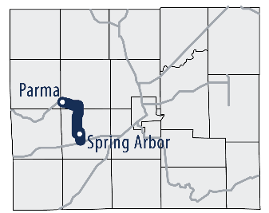
B | Michigan Avene | Chapel Road Pathway
Preliminary Cost Opinion
Paved sidepath; bridge over river; and crosswalks

Notes:
a | Path along Road ROW
c | Total Length | 30,626 | LF | 5.8 | Miles

 | Description | Quantity | Unit | Unit Price | Cost
1 | Site Clearing and Rough Grading | 30,626 | LF | $20 | $612,520
2 | 11' Wide Asphalt Path, Base, and Grading | 30,626 | LF | $75 | $2,296,951
3 | Crosswalk Signs and Pavement Markings | 5 | EA | $5,000 | $25,000
4 | RRFB Ped. Crossing w/ Advanced Warning | 1 | EA | $50,000 | $50,000
5 | Landscaping and Site Amenities | 30,626 | LF | $20 | $612,520
 | Subtotal of Construction Costs |  |  |  | $3,596,992
 | Contingency |  |  | 20% | $719,398
 | Construction Total |  |  |  | $4,316,390

 | Engineering & Design |  |  | 10% | $431,639
 | Construction Administration |  |  | 4% | $172,656
 | Construction Observation |  |  | 6% | $258,983
 | Subtotal of Total Soft Costs |  |  |  | $863,278

 | Total Project Cost |  |  |  | $5,179,668

C
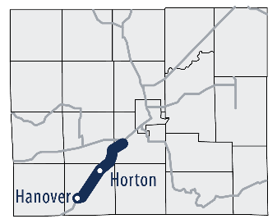
C | Hanover | Horton Rail-Trail
Preliminary Cost Opinion
Grade existing railroad balast, short trail in town, bridges, and crosswalks

Notes:
a | Path on private property (mostly Consumers Energy Property)
c | Total Length | 46,084 | LF | 8.7 | Miles

 | Description | Quantity | Unit | Unit Price | Cost
1 | 11' Wide Graded Existing RR Balast | 43,672 | LF | $20 | $873,442
2 | 11' Wide Asphalt Path, Base, and Grading | 2,112 | LF | $75 | $158,385
3 | Crosswalk Signs and Pavement Markings | 13 | EA | $5,000 | $65,000
4 | Landscaping and Site Amenities | 46,084 | LF | $20 | $921,676
5 | Retrofit Existing Bridge | 1 | LS | $50,000 | $50,000
6 | 14' Wide Concrete Deck Pedestrian Bridge | 30 | LF | $4,000 | $120,000
 | Subtotal of Construction Costs |  |  |  | $2,188,502
 | Contingency |  |  | 20% | $437,700
 | Construction Total |  |  |  | $2,626,202

 | Engineering & Design |  |  | 10% | $262,620
 | Construction Administration |  |  | 4% | $105,048
 | Construction Observation |  |  | 6% | $157,572
 | Subtotal of Total Soft Costs |  |  |  | $525,240

 | Total Project Cost |  |  |  | $3,151,443

 | Potential Additional Cost for Boardwalks Based on Adjacent Wetlands
 | 14' Wide Concrete Plank Boardwalk | 15,022 | LF | $1,000 | $15,022,317
 | Reduction of 11' Asphalt Trail | 15,022 | LF | $(75) | $(1,126,674)
 | Subtotal of Potential Boardwalk Construction Costs |  |  |  | $13,895,643
 | Contingency |  |  | 20% | $2,779,129
 | Potential Boardwalk Construction Total |  |  |  | $16,674,772

 | Engineering & Design |  |  | 10% | $1,667,477
 | Construction Administration |  |  | 4% | $666,991
 | Construction Observation |  |  | 6% | $1,000,486
 | Subtotal of Total Soft Costs for Boardwalks |  |  |  | $3,334,954

 | Potential Additional Boardwalk Costs |  |  |  | $20,009,726

D
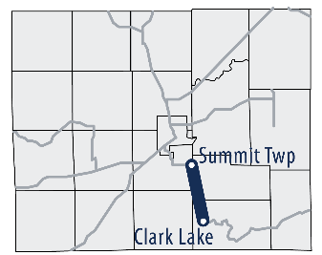
D | Summit to Clark Lake Rail-Trail
Preliminary Cost Opinion
Grade existing railroad ballast and crosswalks

Notes:
a | Path on private property
b | Total Length | 35,247 | LF | 6.7 | Miles

 | Description | Quantity | Unit | Unit Price | Cost
1 | 11' Wide Graded Existing RR Balast | 35,247 | LF | $20 | $704,939
2 | Crosswalk Signs and Pavement Markings | 2 | EA | $5,000 | $10,000
3 | Basic Site Amenities | 35,247 | LF | $5 | $176,235
 | Subtotal of Construction Costs |  |  |  | $891,174
 | Contingency |  |  | 20% | $178,235
 | Construction Total |  |  |  | $1,069,408

 | Engineering & Design |  |  | 10% | $106,941
 | Construction Administration |  |  | 4% | $42,776
 | Construction Observation |  |  | 6% | $64,165
 | Subtotal of Total Soft Costs |  |  |  | $213,882

 | Total Project Cost |  |  |  | $1,283,290
 | * Insufficient information on presence of wetlands to prepare cost opinion

 | Potential Additional Cost for Boardwalks Based on Adjacent Wetlands
 | 14' Wide Concrete Plank Boardwalk | 5,017 | LF | $1,000 | $5,016,826
 | Reduction in Trail Grading | 5,017 | LF | $(20) | $(100,337)
 | Subtotal of Construction Costs |  |  |  | $4,916,489
 | Contingency |  |  | 20% | $983,298
 | Potential Boardwalk Construction Total |  |  |  | $5,899,787

 | Engineering & Design |  |  | 10% | $589,979
 | Construction Administration |  |  | 4% | $235,991
 | Construction Observation |  |  | 6% | $353,987
 | Subtotal of Total Soft Costs for Boardwalks |  |  |  | $1,179,957

 | Potential Additional Boardwalk Costs |  |  |  | $7,079,745

E
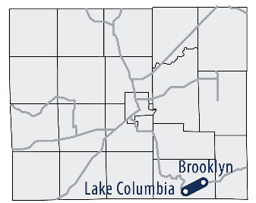
E | Columbia Twp Rail-Trail
Preliminary Cost Opinion
Paved shared use path on abandoned railroad corridor and crosswalks

Notes:
a | Path on private property
b | Total Length | 11,124 | LF | 2.1 | Miles

 | Description | Quantity | Unit | Unit Price | Cost
1 | 11' Wide Asphalt Path, Base, and Grading | 11,124 | LF | $75 | $834,267
2 | Crosswalk Signs and Pavement Markings | 2 | EA | $5,000 | $10,000
3 | RRFB Ped. Crossing w/ Advanced Warning | 1 | EA | $50,000 | $50,000
4 | Landscaping and Site Amenities | 11,124 | LF | $20 | $222,471
 | Subtotal of Construction Costs |  |  |  | $1,116,738
 | Contingency |  |  | 20% | $223,348
 | Construction Total |  |  |  | $1,340,085

 | Engineering & Design |  |  | 10% | $134,009
 | Construction Administration |  |  | 4% | $53,603
 | Construction Observation |  |  | 6% | $80,405
 | Subtotal of Total Soft Costs |  |  |  | $268,017

 | Total Project Cost |  |  |  | $1,608,102

F
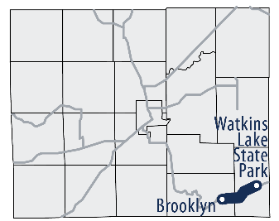
F | Watkins Lake Rail-Trail
Preliminary Cost Opinion
Grade existing railroad ballast, gravel road route, and crosswalks

Notes:
a | Path on private property
c | Total Length | 27,457 | LF | 5.2 | Miles

 | Description | Quantity | Unit | Unit Price | Cost
1 | 11' Wide Graded Existing RR Balast | 21,291 | LF | $20 | $425,820
2 | Crosswalk Signs and Pavement Markings | 3 | EA | $5,000 | $15,000
3 | 14' Wide Concrete Deck Pedestrian Bridge | 60 | LF | $4,000 | $240,000
4 | Landscaping and Site Amenities | 21,291 | LF | $20 | $425,820
 | Subtotal of Construction Costs |  |  |  | $1,106,640
 | Contingency |  |  | 20% | $221,328
 | Construction Total |  |  |  | $1,327,968

 | Engineering & Design |  |  | 10% | $132,797
 | Construction Administration |  |  | 4% | $53,119
 | Construction Observation |  |  | 6% | $79,678
 | Subtotal of Total Soft Costs |  |  |  | $265,594

 | Total Project Cost (use existing bridge) |  |  |  | $1,593,562

 | Potential Additional Cost for Boardwalks Based on Adjacent Wetlands
 | Note: this is unlikely unless the railroad grade has been removed
 | 14' Wide Concrete Plank Boardwalk | 11,124 | LF | $1,000 | $11,124,000
 | Reduction of 11' Graded Existing RR Balast | 11,124 | LF | $(20) | $(222,480)
 | Subtotal of Potential Boardwalk Construction Costs |  |  |  | $10,901,520
 | Contingency |  |  | 20% | $2,180,304
 | Potential Boardwalk Construction Total |  |  |  | $13,081,824

 | Engineering & Design |  |  | 10% | $1,308,182
 | Construction Administration |  |  | 4% | $523,273
 | Construction Observation |  |  | 6% | $784,909
 | Subtotal of Total Soft Costs for Boardwalks |  |  |  | $2,616,365

 | Potential Additional Boardwalk Costs |  |  |  | $15,698,189

G
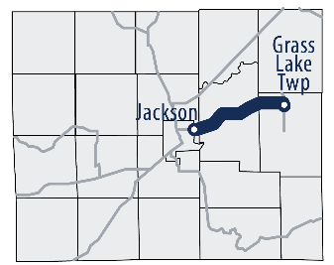
G | Ann Arbor Road Pathway
Preliminary Cost Opinion
Paved sidepath and crosswalks

Notes:
a | Path in ROW or adjacent private property
b | Total Length | 45,754 | LF | 8.7 | Miles

 | Description | Quantity | Unit | Unit Price | Cost
1 | Site Clearing and Rough Grading | 45,754 | LF | $20 | $915,080
2 | 11' Wide Asphalt Path, Base, and Grading | 45,754 | LF | $75 | $3,431,581
3 | Crosswalk Signs and Pavement Markings | 5 | EA | $5,000 | $25,000
4 | Landscaping and Site Amenities | 45,754 | LF | $20 | $915,088
 | Subtotal of Construction Costs |  |  |  | $4,371,670
 | Contingency |  |  | 20% | $874,334
 | Construction Total |  |  |  | $5,246,004

 | Engineering & Design |  |  | 10% | $524,600
 | Construction Administration |  |  | 4% | $209,840
 | Construction Observation |  |  | 6% | $314,760
 | Subtotal of Total Soft Costs |  |  |  | $1,049,201

 | Total Project Cost |  |  |  | $6,295,204

H
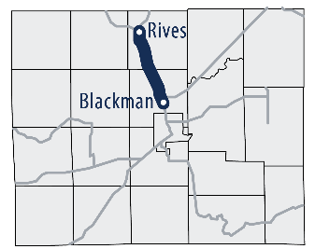
H | Rives Rail-With-Trail
Preliminary Cost Opinion
Grade service road; paved trail in built-up areas; paved sidepath; and crosswalks

Notes:
a | Path on private property (primarily Consumers Energy Property)
c | Total Length | 42,410 | LF | 8.0 | Miles

 | Description | Quantity | Unit | Unit Price | Cost
1 | 11' Wide Graded Existing Surface Path | 27,068 | LF | $10 | $270,684
2 | 11' Wide Asphalt Path, Base, and Grading | 15,342 | LF | $75 | $1,150,650
3 | Crosswalk Signs and Pavement Markings | 3 | EA | $5,000 | $15,000
4 | RRFB Ped. Crossing w/ Advanced Warning | 1 | EA | $50,000 | $50,000
5 | Crossing Island w/ RRFB and Adv. Warning | 2 | EA | $75,000 | $150,000
6 | Landscaping and Site Amenities | 42,410 | LF | $20 | $848,207
 | Subtotal of Construction Costs |  |  |  | $2,484,541
 | Contingency |  |  | 20% | $496,908
 | Construction Total (use existing bridge) |  |  |  | $2,981,449

 | Engineering & Design |  |  | 10% | $298,145
 | Construction Administration |  |  | 4% | $119,258
 | Construction Observation |  |  | 6% | $178,887
 | Subtotal of Total Soft Costs |  |  |  | $596,290

 | Total Project Cost |  |  |  | $3,577,739
 | * Insufficient information on presence of wetlands to prepare comprehensive cost opinion

 | Potential Additional Cost for Boardwalks Based on Adjacent Wetlands
 | Note: The existing service road appears to be marginally higher than the adjacent wetlands
 | 14' Wide Concrete Plank Boardwalk | 15,989 | LF | $1,000 | $15,988,660
 | Reduction of 11' Asphalt Trail | 15,989 | LF | $(75.00) | $(1,199,175)
 | Subtotal of Potential Boardwalk Construction Costs |  |  |  | $14,789,485
 | Contingency |  |  | 20% | $2,957,897
 | Potential Boardwalk Construction Total |  |  |  | $17,747,382

 | Engineering & Design |  |  | 10% | $1,774,738
 | Construction Administration |  |  | 4% | $709,895
 | Construction Observation |  |  | 6% | $1,064,843
 | Subtotal of Total Soft Costs for Boardwalks |  |  |  | $3,549,476

 | Potential Additional Boardwalk Costs |  |  |  | $21,296,858

I
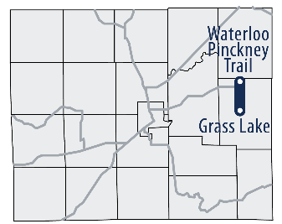
I | Mount Hope Road Sidepath
Preliminary Cost Opinion
Paved sidepath; bridge over freeway; RR pedestrian crossing; and crosswalks

Notes:
a | Path in ROW or adjacent private property
b | Total Length | 19,766 | LF | 3.7 | Miles

 | Description | Quantity | Unit | Unit Price | Cost
1 | Site Clearing and Rough Grading | 19,766 | LF | $20 | $395,320
2 | 11' Wide Asphalt Path, Base, and Grading | 19,766 | LF | $75 | $1,482,475
3 | Crosswalk Signs and Pavement Markings | 1 | EA | $5,000 | $5,000
4 | RRFB Ped. Crossing w/ Advanced Warning | 4 | EA | $50,000 | $200,000
5 | Pedestrian RR Crossing Improvements | 1 | LS | $250,000 | $250,000
6 | 14' Wide Concrete Deck Pedestrian Bridge | 260 | LF | $4,000 | $1,040,000
7 | Landscaping and Site Amenities | 19,766 | LF | $20 | $395,327
 | Subtotal of Construction Costs |  |  |  | $3,372,802
 | Contingency |  |  | 20% | $674,560
 | Construction Total |  |  |  | $4,047,363

 | Engineering & Design |  |  | 10% | $404,736
 | Construction Administration |  |  | 4% | $161,895
 | Construction Observation |  |  | 6% | $242,842
 | Subtotal of Total Soft Costs |  |  |  | $809,473

 | Total Project Cost |  |  |  | $4,856,835

